Recap
Questions-
 | My primary intent is to understand what you are trying to achieve?
 | In past we made $ on freight using freight accrual account - SF/IFS would not support this same methodology - product codes with attached freight costs.
 | Currently, the project receives the freight benefit and AEs margin and susbsequent commissions are elevated.
 | We cannot simply assign a freight value with expectation to generate "internal" profit and not consider that we must remain competitive with the market.

1 | Verify my understanding - the freight cost illustrated in the below table as "vendor" are the XGS rates? | Yes - but this was before application of rebates and FSC therefore at that time was not accurate to use for analysis
2 | Example - single pallet of LVT has 2002.56 SF. Invoice from XGS would reflect 2002.56 X $0.1388 psf = $277.95? | LVT is SQFT
2A | Biddle comparison = $50.00 for a pallet (2002.56 sf) or $0.02496 psft. Job is currently charged $0.12 psf which results in $190.30 GP$ gain. Understand that your data indicates that Biddle is small portion of overall freight cost. | Which commodity?
3 | Example - single pallet of Cpt Tile has 160 SY. Invoice from XGS would reflect 160 .00 X $0.7456 = $119.29? | CPT/CBL is SQYD
3A | Biddle comparison = $50.00 for a pallet (160.00 sy) or $0.3125 psy. Job is currently charged $0.45 psy which results in $22.00 GP$ gain. Understand that your data indicates that Biddle is small portion of overall freight cost. | Which commodity?
4 | The stated unit cost is inclusive of any additional charges, fuel surcharge, etc. ? | FSC yes and rebates
5 | What geography is this based upon? Assume this is any GA based manufacturer? | GA based manufacturer - for GA mills. Historical is country wide
5A | If rates are based upon Ga manufacturers only - can we get quoted rates from XGS if we identify shipping destination from other manufacturers? | Gregg input
6 | Your expectation is that we utilize these rates and add margin that would be retained by the location? | Gregg input
7 | Future state - project would receive the marked up rates and balance would be in a freight accrual account for the location? | Gregg input
8 | Are you advocating that we set a single unit cost for each of the five commodities or provide AEs (sales) with a table to be used based upon quantities? | Gregg input
9 | You mentioned setting up Product Ids that would have attached freight - this would indicate that intent is to have a single cost for each commodity? | Gregg input
10 | How would truckloads work with XGS? Is it weight based? Or do we simply apply the below rates based upon qty? Call for truckload based upon what qtys or weight? | Gregg input
10A | Example - a 53 foot trailer can hold a maximum of 26 pallets of cpt tile (4160 SY). 4160 sy X $0.6928 (using rate below) = $2882.04 | Which commodity?
10B | Biddle comparison = $750.00 flat rate for a truckload (4160 sy) or $0.1802 psy. Job is currently charged $0.45 psy or $1872.00 which results in $1122 GP$ gain. Understand that your data indicates that Biddle is small portion of overall freight cost. | Which commodity?
11 | Files would indicate that 221 sample invoices were reviewed (for various qtys) - is this a broad enough data review? | Sampling criteria was tight

 | SY or SF | SY or SF | SY or SF | SY or SF | SY or SF | SY or SF | SY or SF
Qtys | 0-500 | 500-999 | 1000-1999 | 2000-2999 | 3000-4999 | 5000 - 9999 | 10000 >
Carpet Rolls BL | $0.4386 | $0.4308 | $0.4230 | $0.4153 | $0.4075 | $0.4075 | NC | vendor | assume "vendor" is XGS agreed pricing
Carpet Tiles | $0.7456 | $0.7324 | $0.7192 | $0.7060 | $0.6928 | $0.6928 | NC | vendor | assume "vendor" is XGS agreed pricing
LVP (SF) | $0.2827 | $0.2325 | $0.1748 | $0.1388 | $0.1388 | $0.0985 | $0.0717 | vendor | assume "vendor" is XGS agreed pricing
LVT(SF) | $0.2827 | $0.2325 | $0.1748 | $0.1388 | $0.1388 | $0.0985 | $0.0717 | vendor | assume "vendor" is XGS agreed pricing
VCT(SF) | $0.2827 | $0.2325 | $0.1748 | $0.1388 | $0.1388 | $0.0985 | $0.0717 | vendor | assume "vendor" is XGS agreed pricing | VCT has minimal consequence as it is delivered by the distributor (smaller qtys) or in truckload direct from manufacturer.

 | Below is from the deck you shared on 6/03/25 - Norcross Historic Freight Rates
 | * in order to undertand the "historical avg" shown in table would need to see the actual invoices utilized for this data.
 | Using LVT for example - indicates that 33 total invoices were used with 17 or 51% being from 0 - 1000 sf categories.
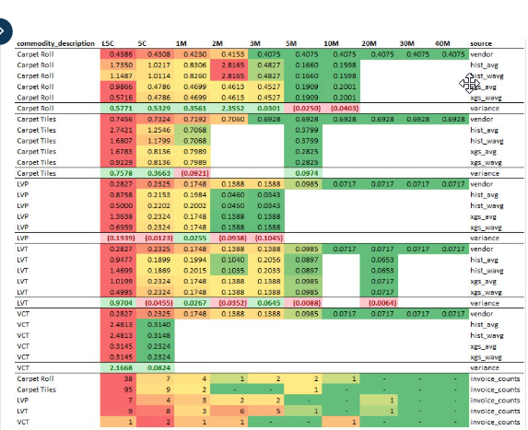

 | Below table reflects XGS cost above and adds a 20% margin or burden to actual cost

 |  | SY or SF | SY or SF | SY or SF | SY or SF | SY or SF | SY or SF | SY or SF |  | Current Ga Manuf
 | Qtys | 0-500 | 500-999 | 1000-1999 | 2000-2999 | 3000-4999 | 5000 - 9999 | 10000 > |  | Rates
 | Carpet Rolls BL | $0.5482 | $0.5385 | $0.5287 | $0.5191 | $0.5094 | $0.5094 | NC |  | $0.45
 | Carpet Tiles | $0.9320 | $0.9155 | $0.8990 | $0.8825 | $0.8660 | $0.8660 | NC |  | $0.45
 | LVP | $0.3534 | $0.2906 | $0.1942 | $0.1735 | $0.1735 | $0.1231 | $0.0896 |  | $0.12
 | LVT | $0.3534 | $0.2906 | $0.1942 | $0.1735 | $0.1735 | $0.1231 | $0.0896 |  | $0.12
 | VCT | $0.3534 | $0.2906 | $0.1942 | $0.1735 | $0.1735 | $0.1231 | $0.0896 |  | ? | Distributor delivered

 | Simplified version | SY or SF | SY or SF | SY or SF
 | Qtys | 0-500 | 500-999 | 1000 >
 | Carpet Rolls BL | $0.5482 | $0.5385 | $0.5287
 | Carpet Tiles | $0.9320 | $0.9155 | $0.8990
 | LVP | $0.3534 | $0.2906 | $0.1942
 | LVT | $0.3534 | $0.2906 | $0.1942
 | VCT | $0.3534 | $0.2906 | $0.1942

Karabo Mishabane
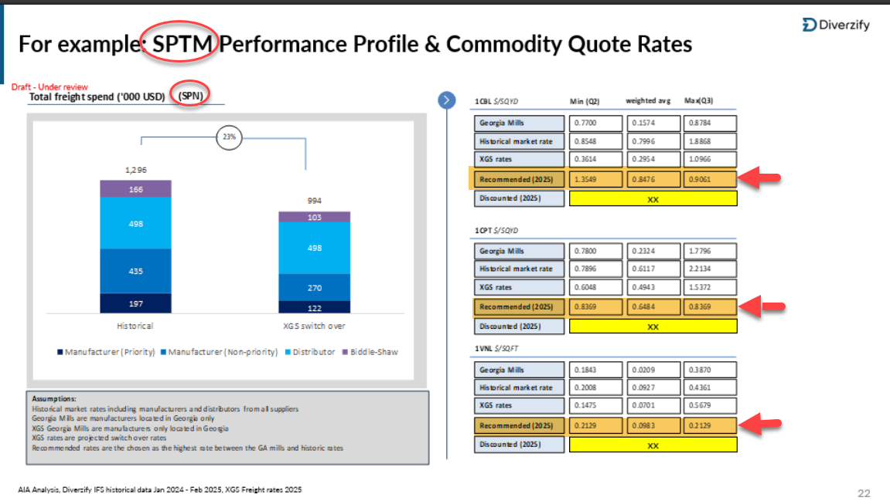
Below is from files shared by Karabo Mishabane - update SW freight files
Not sure what "SPTM" means?

